MAC Trophies
Trophy | Group | Style | Inches | Quantity | Price | Sport | Figures | Riser | Aztec 3-inch Insert | Columns | Trim | Plaque
1 | Percussion Marching Open | 4985-87 | 25 | 1 | 17.95 | Music | Music Note | Solstice | Music | Purple Splash | Eagle | Westhill HS 2015 (16)
 |  |  |  |  |  |  |  |  |  |  |  | Music on the Hill (17)
 |  |  |  |  |  |  |  |  |  |  |  | Percussion Marching Open 1st (29)

2 | Percussion Marching Open | 4970 | 22 | 1 | 16.75 | Music | Music Note | NA | NA | Purple Splash | NA | Westhill HS 2015 (16)
 |  |  |  |  |  |  |  |  |  |  |  | Music on the Hill (17)
 |  |  |  |  |  |  |  |  |  |  |  | Percussion Marching Open 2nd (29)

3 | Percussion Marching Open | 4915-4917 | 19 | 1 | 13.95 | Music | Music Note | NA | NA | Purple Splash | Eagle | Westhill HS 2015 (16)
 |  |  |  |  |  |  |  |  |  |  |  | Music on the Hill (17)
 |  |  |  |  |  |  |  |  |  |  |  | Percussion Marching Open 3rd (29)

4 | Percussion Concert Open | 4985-87 | 25 | 1 | 17.95 | Music | Music Note | Solstice | Music | Purple Splash | Eagle | Westhill HS 2015 (16)
 |  |  |  |  |  |  |  |  |  |  |  | Music on the Hill (17)
 |  |  |  |  |  |  |  |  |  |  |  | Percussion Concert Open 1st (27)

5 | Percussion Festival Open | 4985-87 | 25 | 1 | 17.95 | Music | Music Note | Solstice | Music | Purple Splash | Eagle | Westhill HS 2015 (16)
 |  |  |  |  |  |  |  |  |  |  |  | Music on the Hill (17)
 |  |  |  |  |  |  |  |  |  |  |  | Percussion Festival Open 1st (28)

6 | Percussion Festival Open | 4970 | 22 | 1 | 16.75 | Music | Music Note | NA | NA | Purple Splash | NA | Westhill HS 2015 (16)
 |  |  |  |  |  |  |  |  |  |  |  | Music on the Hill (17)
 |  |  |  |  |  |  |  |  |  |  |  | Percussion Festival Open 2nd (28)

7 | Percussion Festival A | 4970 | 22 | 1 | 16.75 | Music | Music Note | NA | NA | Purple Splash | NA | Westhill HS 2015 (16)
 |  |  |  |  |  |  |  |  |  |  |  | Music on the Hill (17)
 |  |  |  |  |  |  |  |  |  |  |  | Percussion Festival A 1st (25)

8 | Percussion Marching A | 4970 | 22 | 1 | 16.75 | Music | Music Note | NA | NA | Purple Splash | NA | Westhill HS 2015 (16)
 |  |  |  |  |  |  |  |  |  |  |  | Music on the Hill (17)
 |  |  |  |  |  |  |  |  |  |  |  | Percussion Marching A 1st (25)

9 | Percussion Marching A | 4915-4917 | 19 | 1 | 13.95 | Music | Music Note | NA | NA | Purple Splash | Eagle | Westhill HS 2015 (16)
 |  |  |  |  |  |  |  |  |  |  |  | Music on the Hill (17)
 |  |  |  |  |  |  |  |  |  |  |  | Percussion Marching A 2nd (25)

10 | Percussion Marching A | 4975 | 15 | 1 | 8.75 | Music | Music Note | NA | NA | Purple Splash | NA | Westhill HS 2015 (16)
 |  |  |  |  |  |  |  |  |  |  |  | Music on the Hill (17)
 |  |  |  |  |  |  |  |  |  |  |  | Percussion Marching A 3rd (25)

11 | Percussion Marching A | 4980 | 13 | 1 | 8.5 | Music | Music Note | NA | NA | Purple Splash | NA | Westhill HS 2015 (16)
 |  |  |  |  |  |  |  |  |  |  |  | Music on the Hill (17)
 |  |  |  |  |  |  |  |  |  |  |  | Percussion Marching A 4th (25)

12 | Percussion Marching A | 4900 | 10 | 1 | 6.95 | Music | Music Note | NA | NA | Purple Splash | NA | Westhill HS 2015 (16)
 |  |  |  |  |  |  |  |  |  |  |  | Music on the Hill (17)
 |  |  |  |  |  |  |  |  |  |  |  | Percussion Marching A 5th (25)

13 | Percussion Marching A | 4900 | 10 | 1 | 6.95 | Music | Music Note | NA | NA | Purple Splash | NA | Westhill HS 2015 (16)
 |  |  |  |  |  |  |  |  |  |  |  | Music on the Hill (17)
 |  |  |  |  |  |  |  |  |  |  |  | Percussion Marching A 6th (25)


TOTAL: |  |  |  | 13 | 179.9
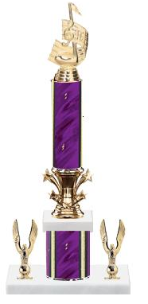
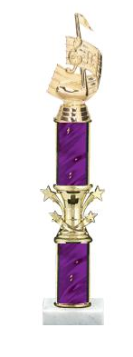
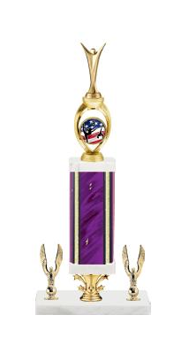

 | 25 Inch |  | 22 Inch |  |  |  | 19 Inch |  |  | 15 Inch |  | 13 inch | 10 inch
 | Should have Music Note
 | and Music Insert

